Sheet1
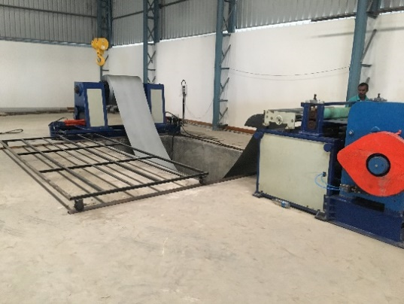
S.No. | Products Name | Category | Sub Category | Products Video
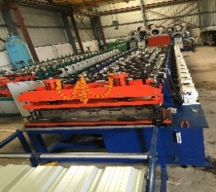
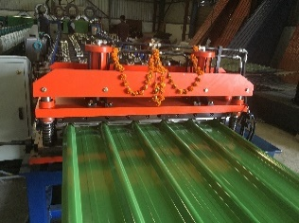
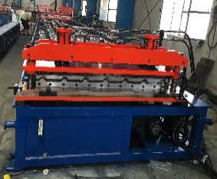
1 | PROFILE MACHINE | ROOFING AND WALL CLADDDING | HI RIB PROFILE

2 |  |  | CORRUGATION MACHINE
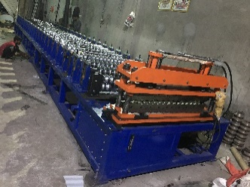

 |  |  | LINEAR PROFILE
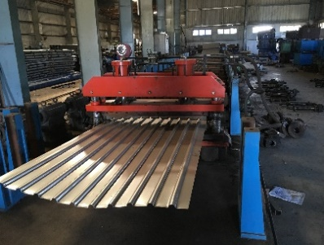

 | PROFILE MACHINE | CONSTRUCTION AND PEB | METAL DECK PROFILE
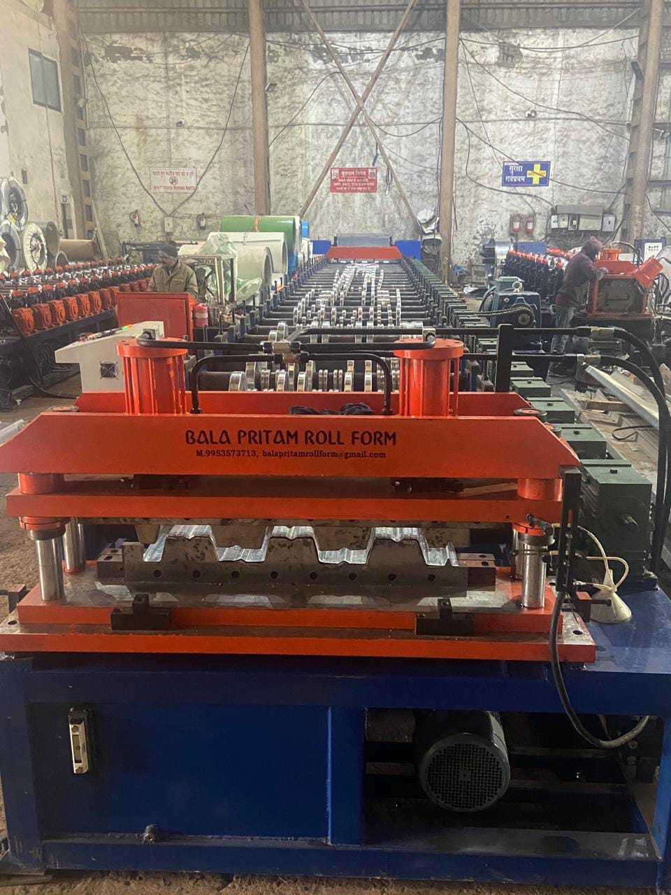
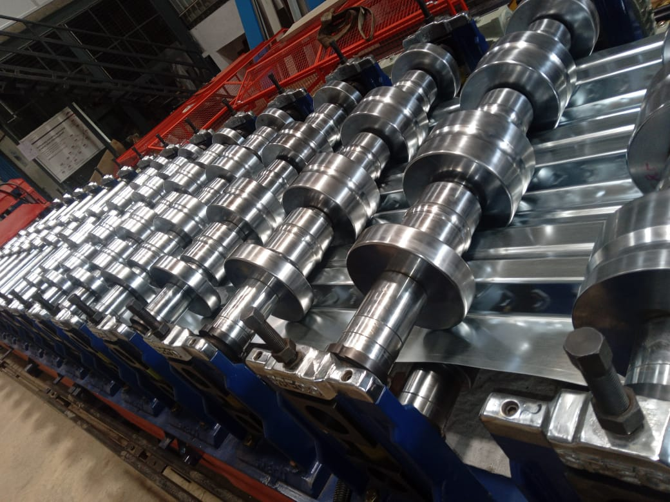

 | PROFILE MACHINE |  | SLITTING AND SHEARING
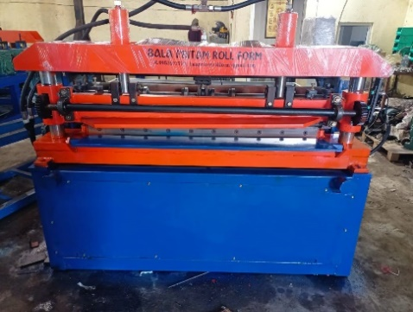

 |  | CUT TO LENGTH

